1 - Apcoa
Apcoa - Senior Facilities Agreement.pdf

pg. 40/370 | pg. 70/370
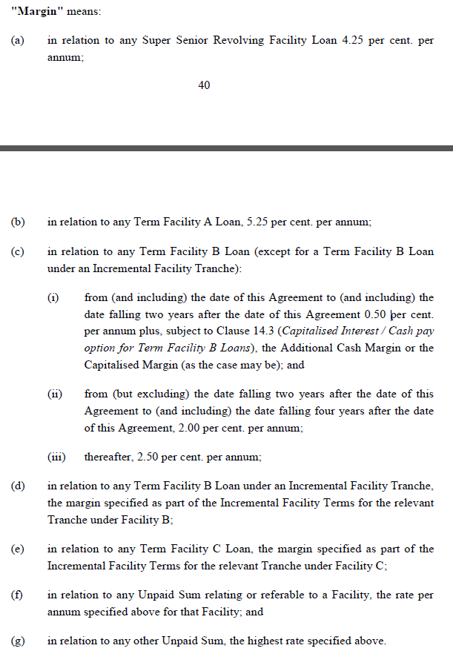
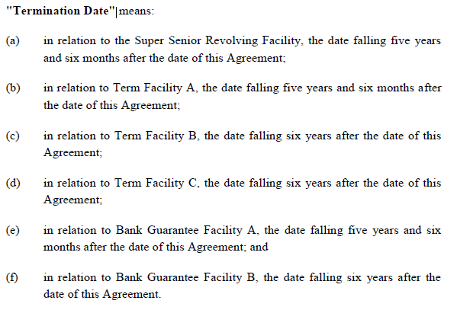

 | pg. 70/370
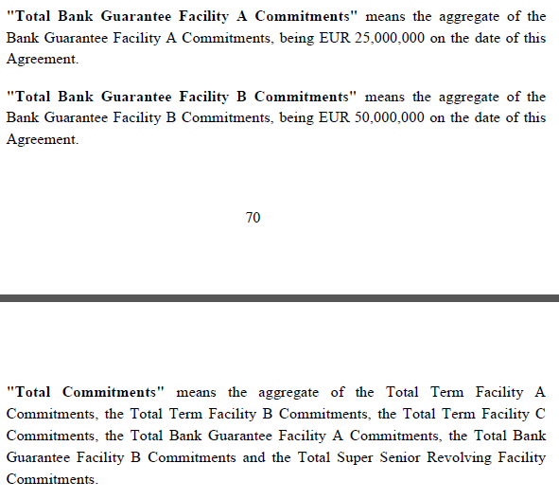

pg. 140/370
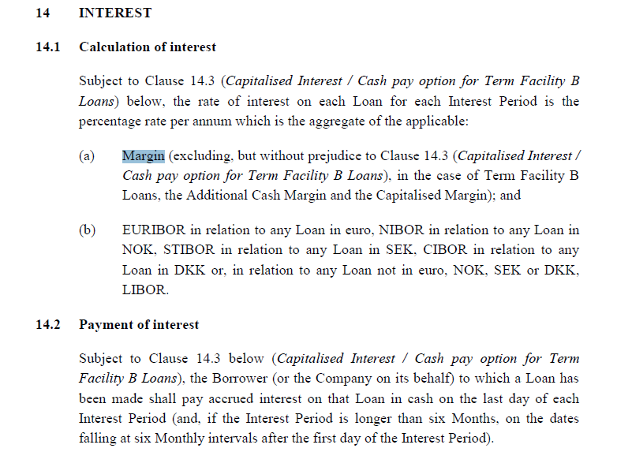

 | pg. 1/370
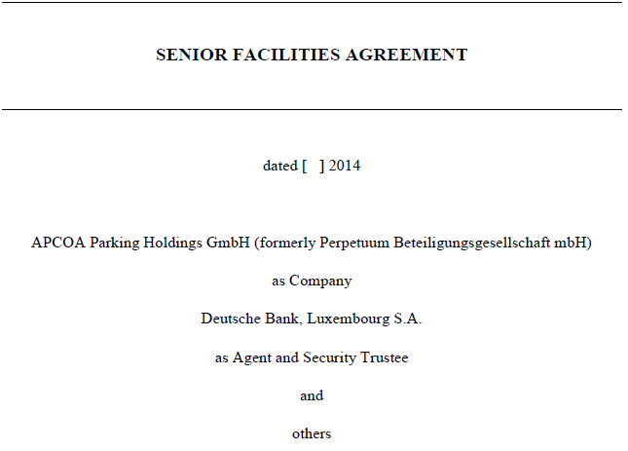

pg. 272/370

2 - Cory
Cory - Junior Facility Agreement.pdf

pg. 20/190 | pg. 1/190
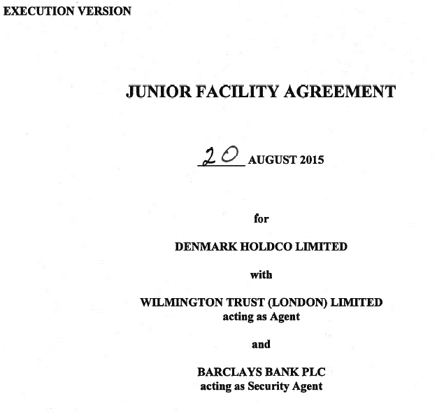

pg. 23/190

pg. 35/190

pg. 46/190
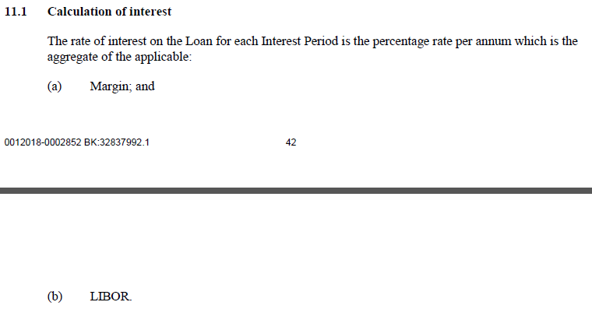

pg. 122/190

3 - Noble
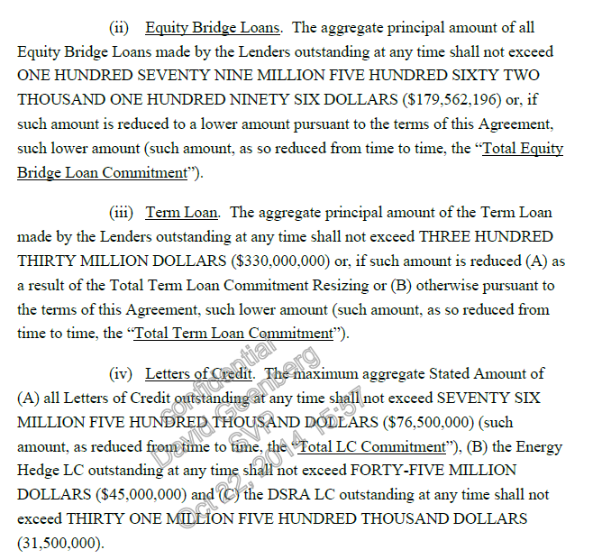
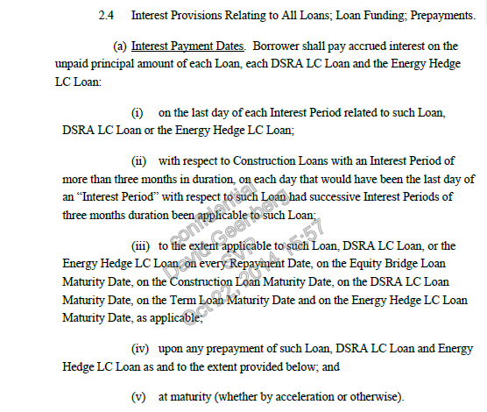
Noble - Financing Agreement.pdf

pg. 14/458 | pg. 207/458 | pg. 1/458
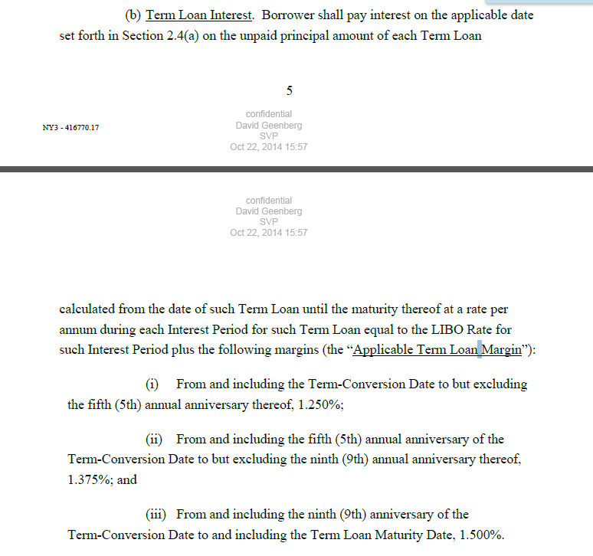
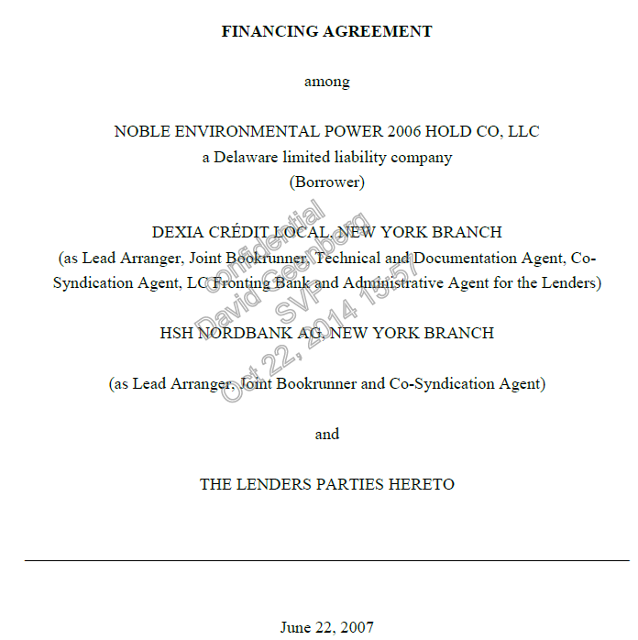

 | pg. 229/458

 | pg. 205/458

 | pg. 233/458

 | pg. 28/458
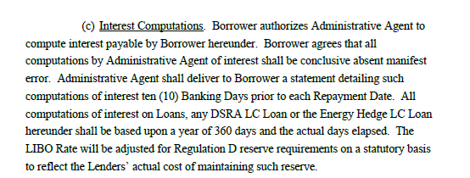

 | pg. 32/458
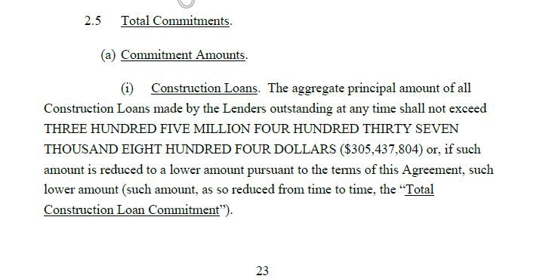

pg. 15/458

pg. 451/458
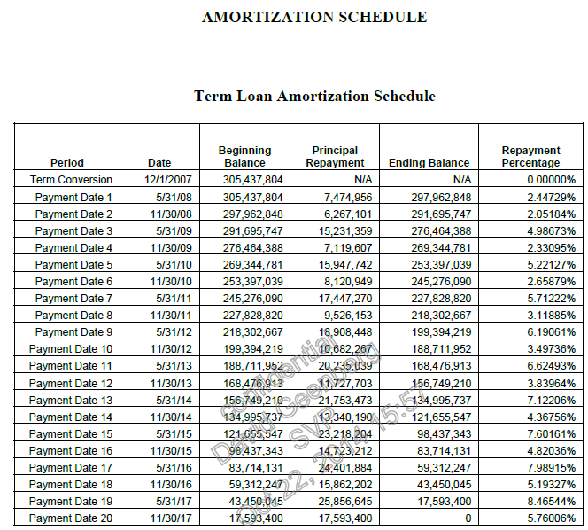

 | pg. 33/458

4 - Northwest
Northwest - Senior Loan Agreement.pdf

pg. 34/142 | pg. 17/142
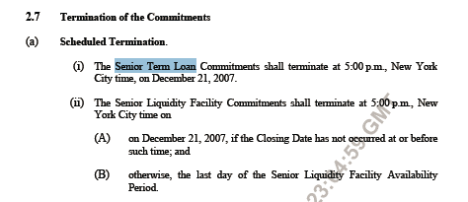

 | pg. 17/142
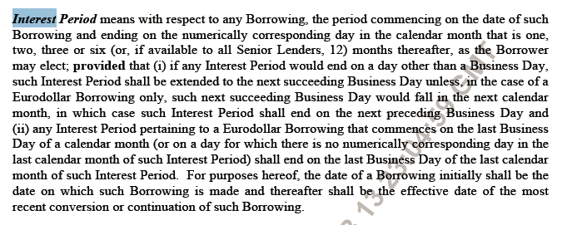

pg. 7/142
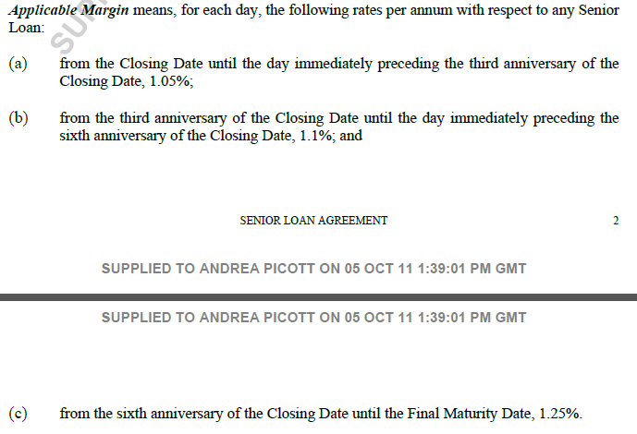

pg. 7/142

pg. 25/142
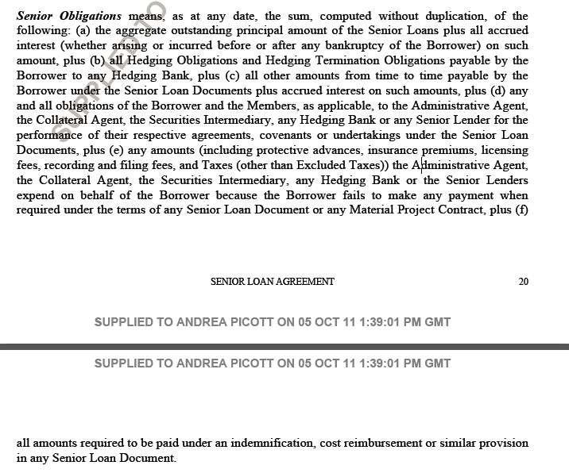

pg. 38/142
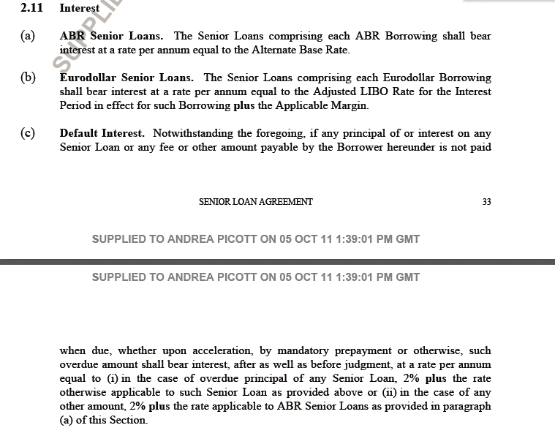

pg. 39/142
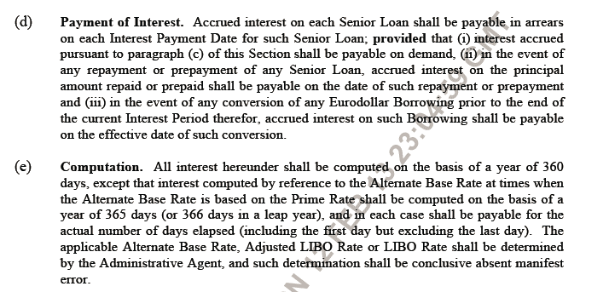

pg. 51/142

pg. 14/142

5 - Moliflor
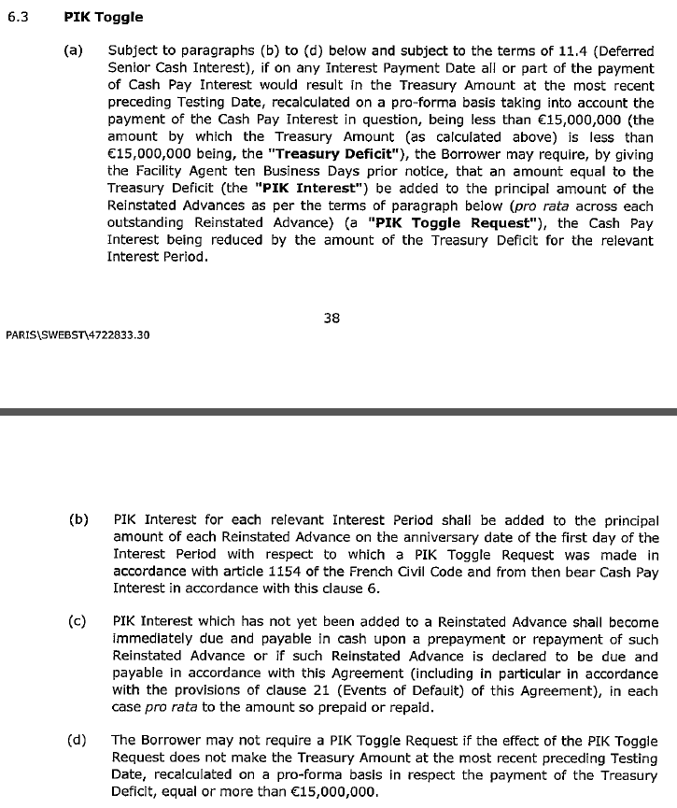
Moliflor - Term Loan.pdf

pg. 34/193 | pg. 60/193 | pg. 71/193

pg. 46/193 | pg. 63/193
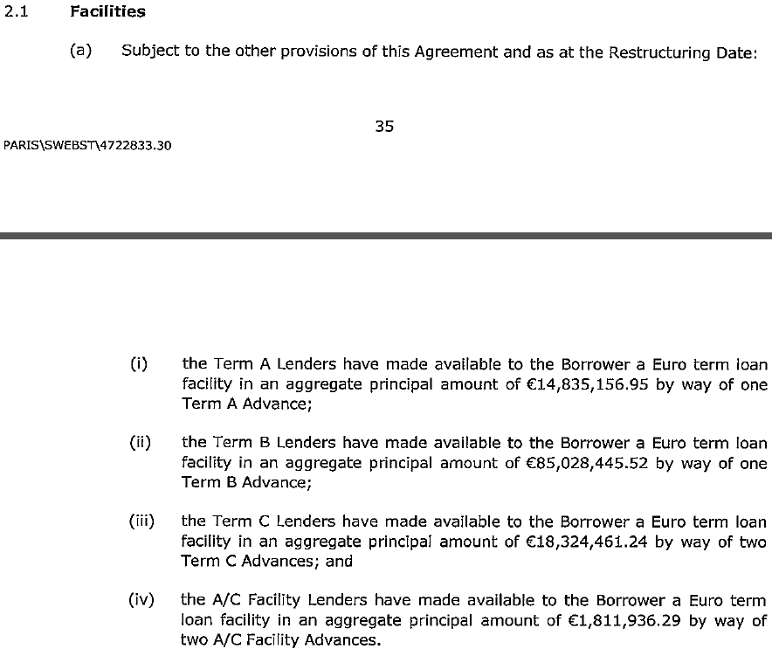

pg. 54/193
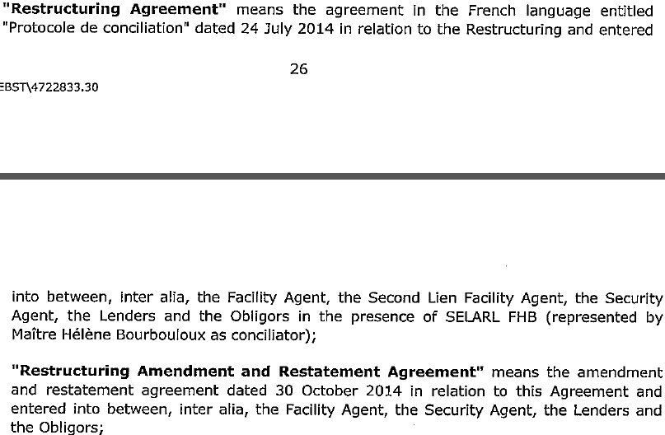

 | pg. 66/193
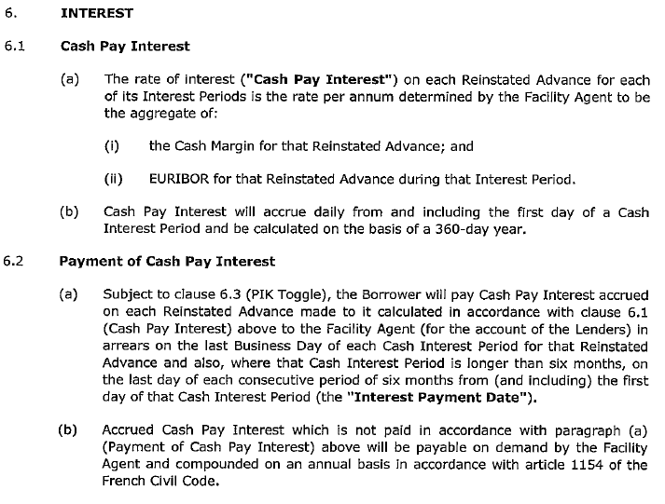

pg. 55/193

pg. 59/193

 | pg. 66/193

6 - Abengoa
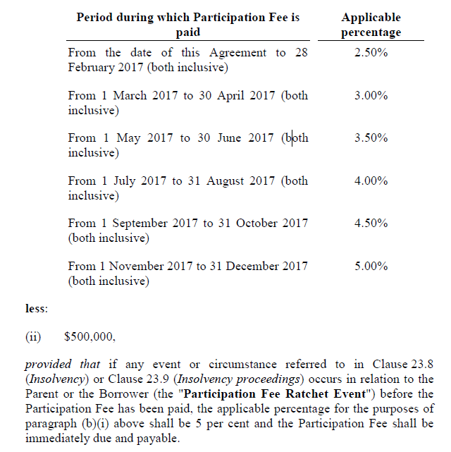
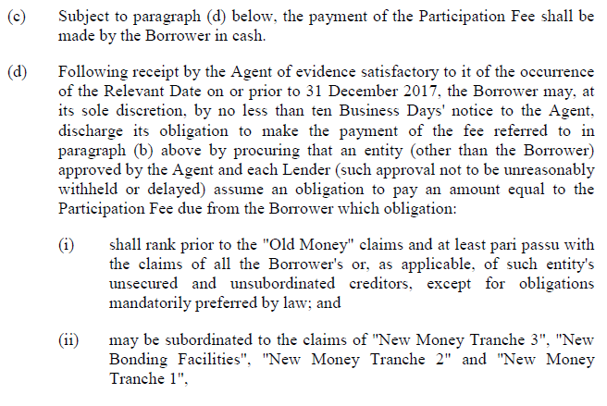
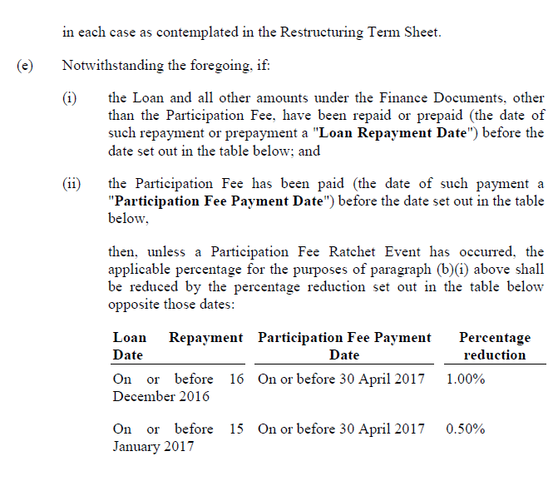
Abengoa - Facility Agreement.pdf

pg. 16/203 | pg. 44/203 | pg. 17/203
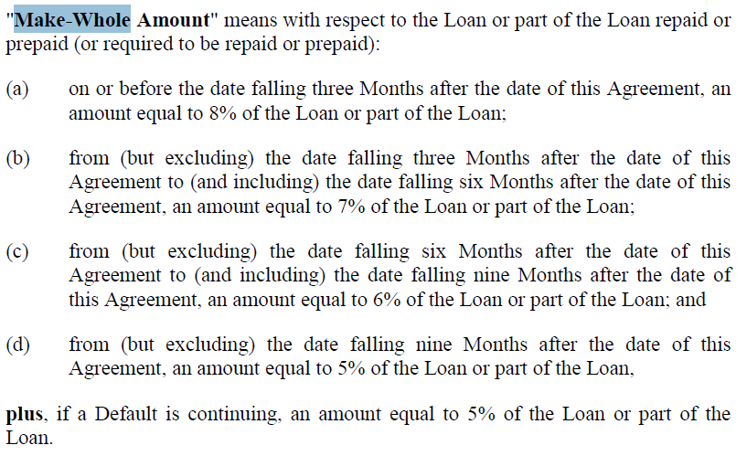
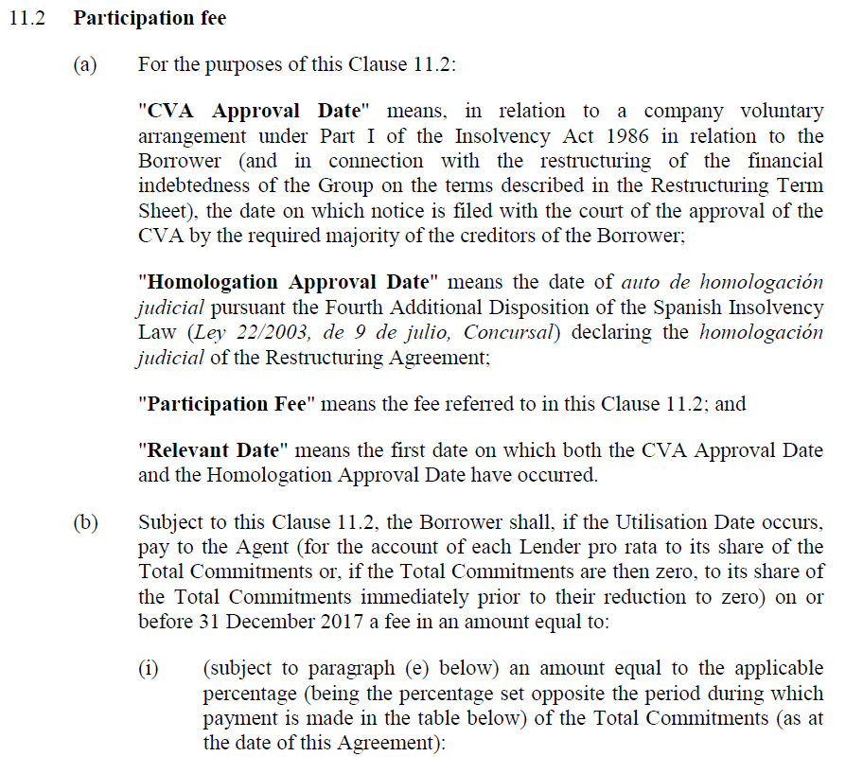

 |  | pg. 34/203

pg. 27/203

pg. 104/203

7 - Basin
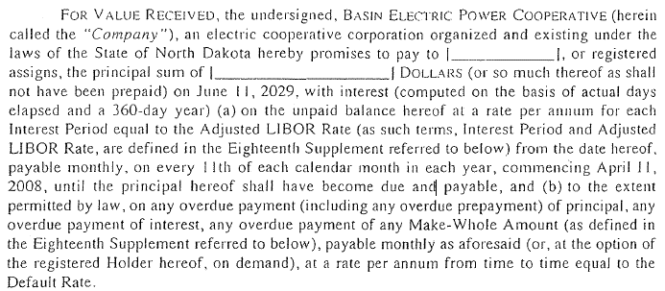
Basin - Note Purchase Agreement.pdf

pg. 1/84 | pg. 59/84
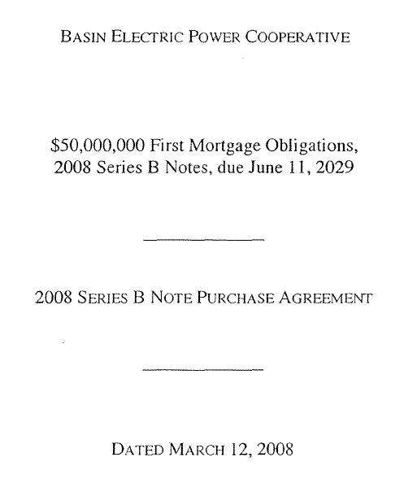
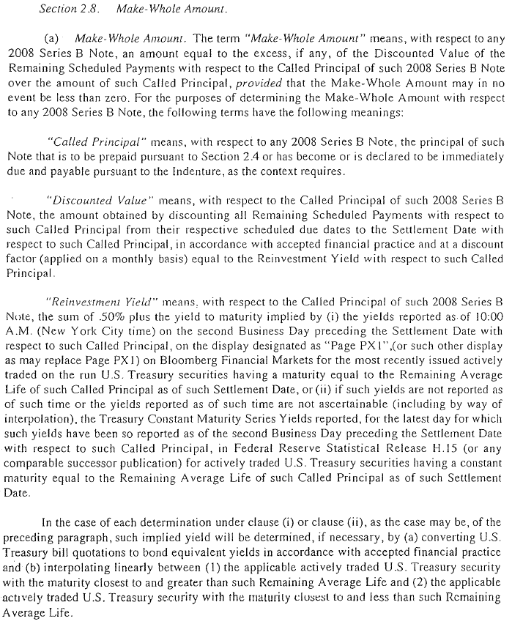

pg. 6/84

 | pg. 60/84
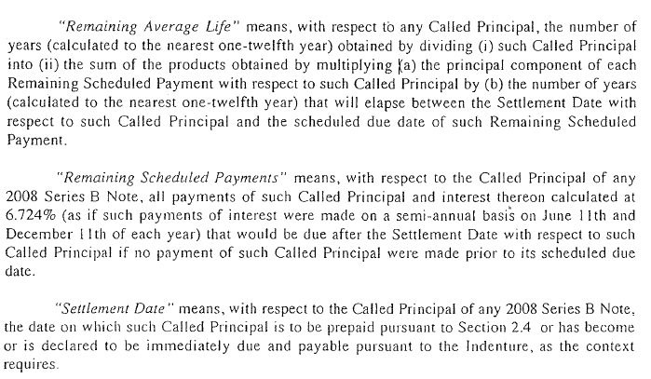
pg. 56/84

pg. 56/84

pg. 56/84

pg. 57/84
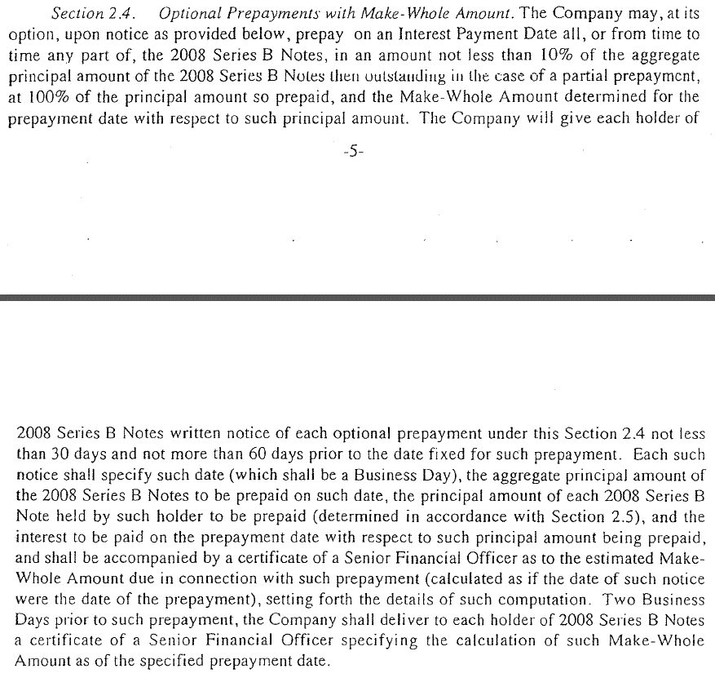
 | pg. 67/84

8 - Trumbull
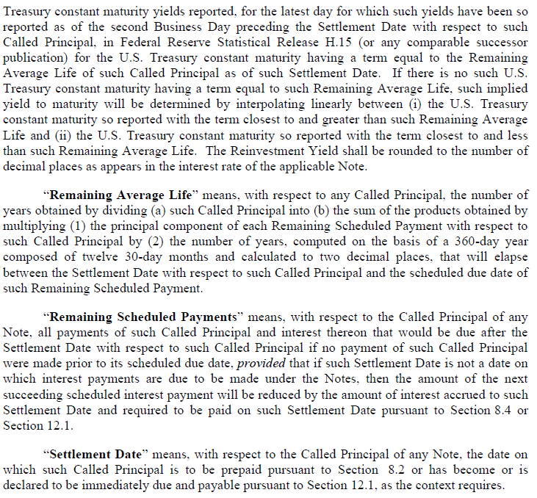
Trumbull - Note Purchase Agreement.pdf

pg. 1/118 | pg. 40/118
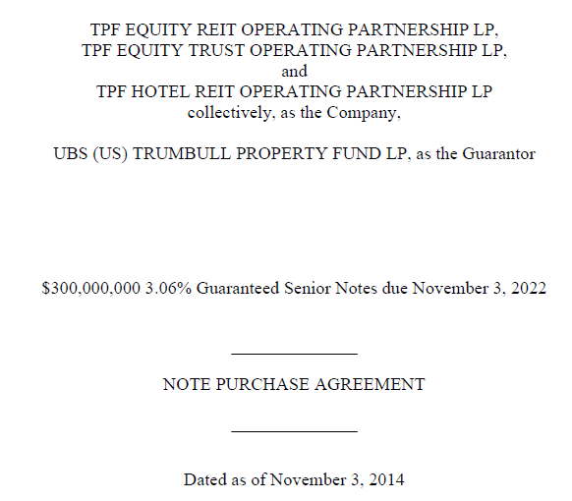
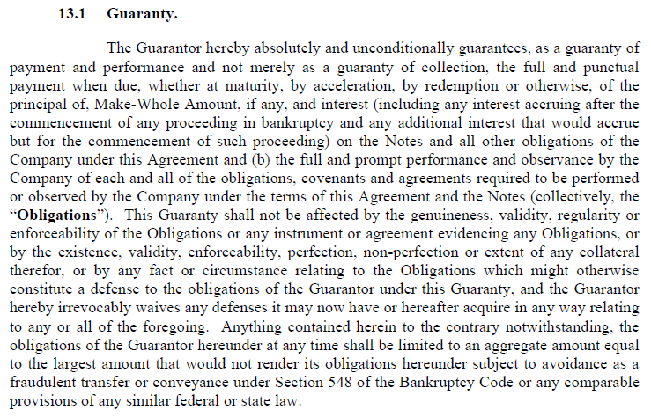

 | pg. 42.118
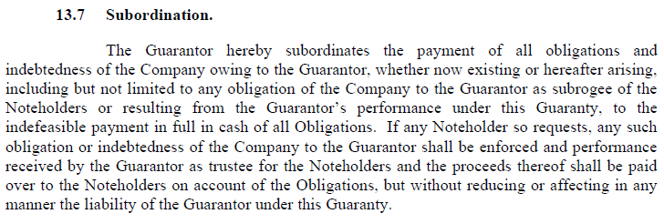

pg. 8/118

pg. 26/118
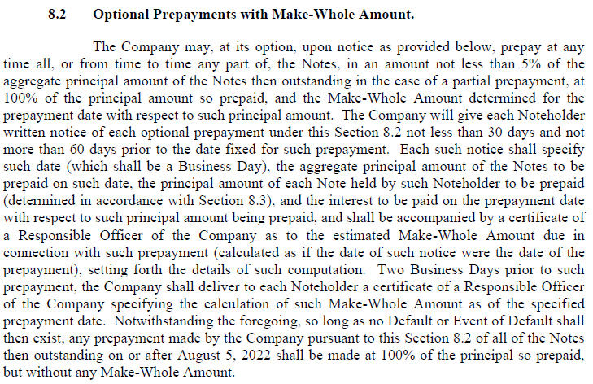

pg. 27/118
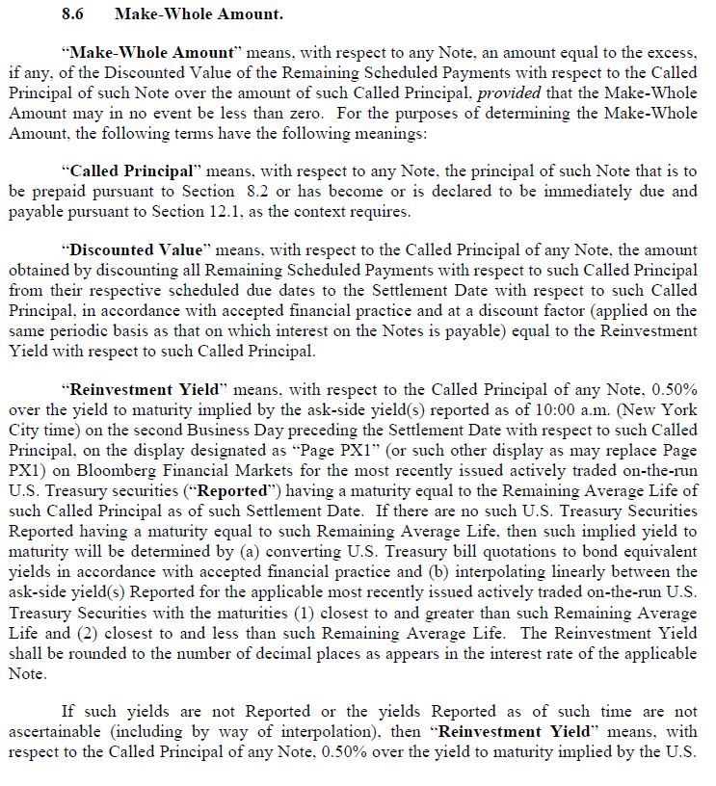

pg. 28/118

